Version
FORM | VERSION
OIR-EO-2087 (1/14) 2016 | 16.02.A

2016 Title Agencies Data Call

Pursuant to Section 624.307 and 627.782 Florida Statutes, and Section 69O-186.013, F.A.C.
Every title agency that held a Florida license at some time during 2015 is required to file
these electronic data collection forms.

If you need any assistance during the filing process,
please contact the Office at
TitleAgencyReporting@floir.com
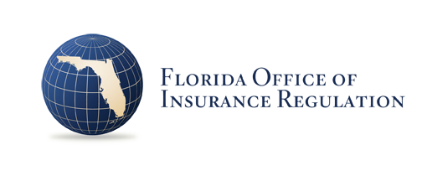

Due Date May 31, 2016

